Sheet1
BUG_ID | Test Objective | Steps to reproduce | Expected Result | Actual Result | URL | Screen Shot (Drive Link) | Priority | Reporter | Date | Module | Bug Type | QA Status | QA comments
BUG_SIGNIN/SIGNUP_01 | Show Password Check Box Is Not Available | Login Page | It Should Display SHOW PASSWORD CHECK BOX | It Was Not Displaying PASSWORD CHECK BOX | https://50alliance.com/public/login |  | HIGH | SAI KUMAR | 2021-01-21 | SIGN IN/SIGNUP | FUNCTIONAL BUG | It Was Viewed & Verified By Sai Kumar
BUG_SIGNIN/SIGNUP_02 | When We Enter Password, It Should Show Letter By Letter,That End User May look & Check Password or Letters Entered Is Correct Or Not | Login Page | When User Enter Password,It Should Show & View Letter By Letter ,That End User Can Unsderstand He Was Entered Correct Letter or Not | When User Enter Password,It Does Not Should Show & View Letter By Letter. | https://50alliance.com/public/login | 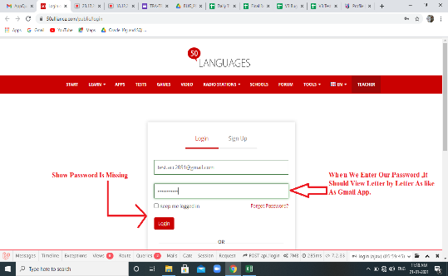 | HIGH | SAI KUMAR | 2021-01-21 | SIGN IN/SIGNUP | FUNCTIONAL BUG
BUG_SIGNIN/SIGNUP_03 | Captcha Is Missing | Login Page | Captcha Should Be There,That Provides Good Security For Web Site. | Captcha Was Missing | https://50alliance.com/public/login | 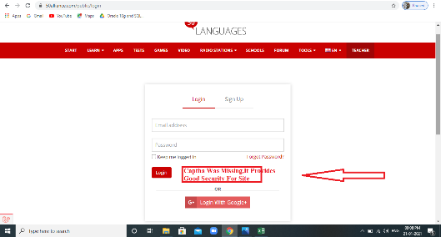 | HIGH | SAI KUMAR | 2021-01-21 | SIGN IN/SIGNUP | FUNCTIONAL BUG
BUG_SIGNIN/SIGNUP_04 | When We Click On Forget Password,It Opens Page Like Enter Gmail.After Submiting It Should Show POPUP As Forget Password Link Was Sended To Gmail. | Login Page | When We Click On Forget Password,It Opens Page Like Enter Gmail.After Submiting It Should Show POPUP As Forget Password Link Was Sended To Gmail. | When We Click On Forget Password,It Opens Page Like Enter Gmail.It Was Not Showing Any POPUP Message | https://50alliance.com/public/login | 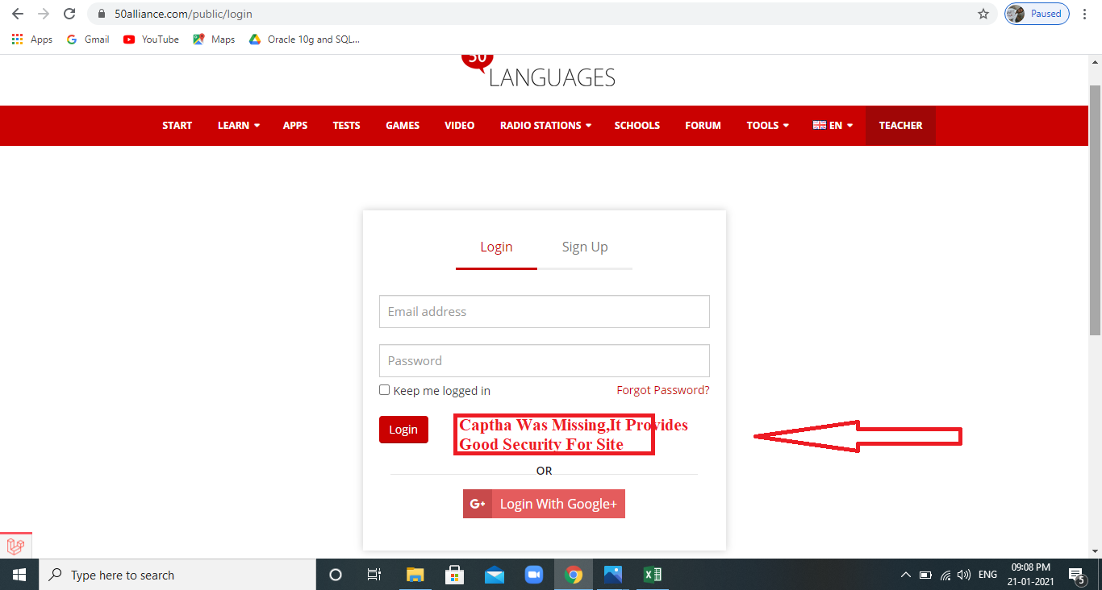 | CRITICAL | SAI KUMAR | 2021-01-21 | SIGN IN/SIGNUP | FUNCTIONAL BUG
BUG_SIGNIN/SIGNUP_05 | Terms & Conditions Are Not There.It Should View All Terms & Conditions | Login Page | It Should View All Terms & Conditions | Terms & Conditions Are Not There. | https://50alliance.com/public/login | 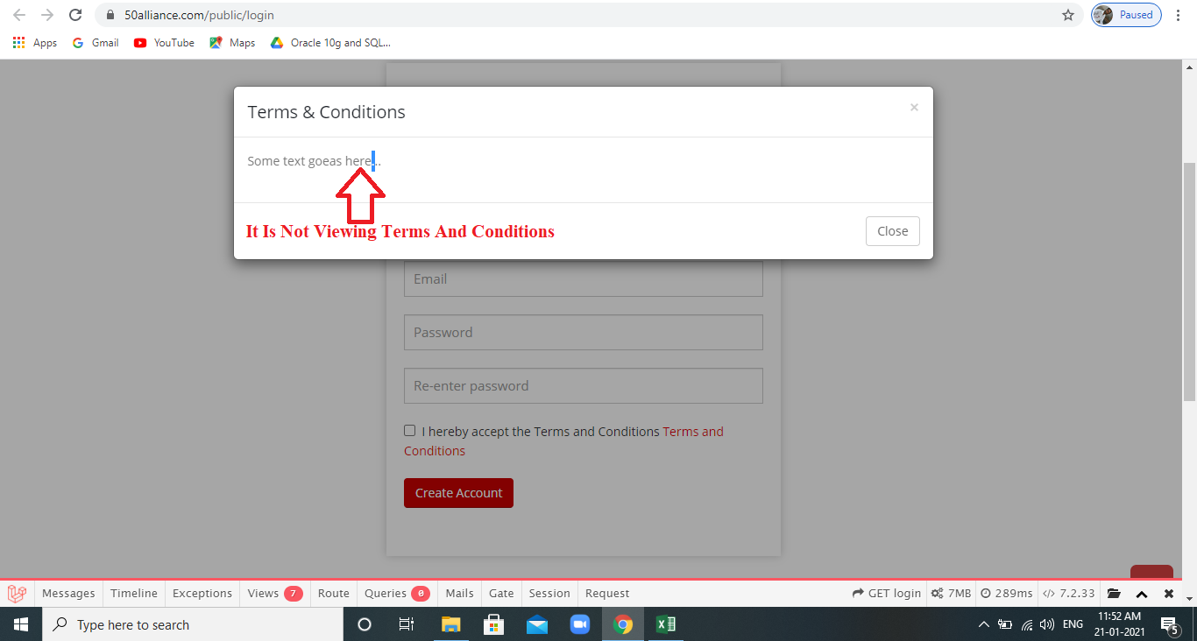 | MEDIUM | SAI KUMAR | 2021-01-21 | SIGN IN/SIGNUP | FUNCTIONAL BUG
BUG_HOMEPAGE_01 | When We MouseHover On All SUB MODULES Like START,LEARB(DROP DOWN),TESTS,GAMES,VIDEO,SCHOOLS,FORMS,TOOLS,The BACKGROUND COLOUR Is In WHITECOLOUR,But On RADIO BUTTON It Was In BLACK COLOUR(DROP DOWN) | Login Page -->HOME PAGE-->DASHBOARD | When We MouseHover On All SUB MODULES Like START,LEARN(DROP DOWN),TESTS,GAMES,VIDEO,SCHOOLS,FORMS,TOOLS,RADIO BUTTON (DROP DOWN)The BACKGROUND COLOUR Is WHITE COLOUR | When We MouseHover On All SUB MODULES Like RADIO BUTTON (DROP DOWN)The BACKGROUND COLOUR Is WHITE COLOUR | https://50alliance.com/public/user/student/dashboard | 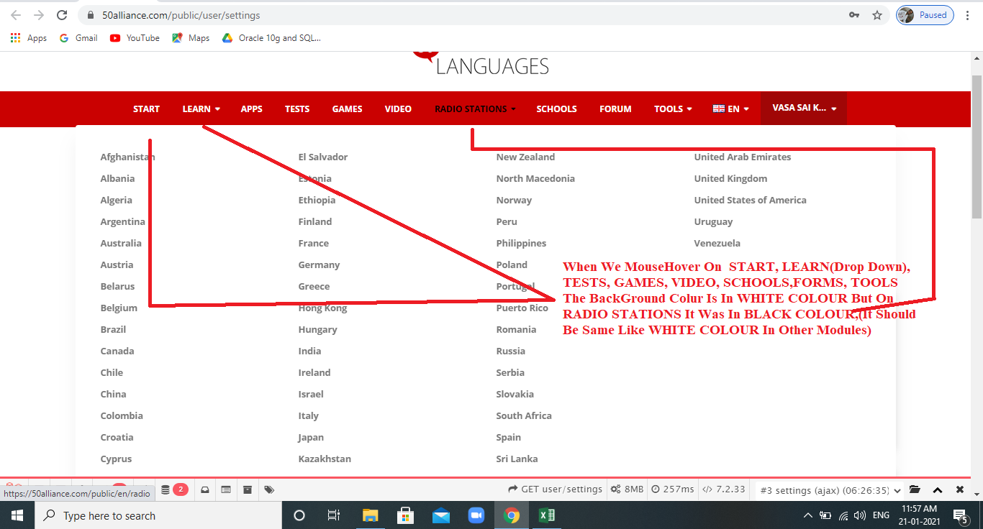 | MEDIUM | SAI KUMAR | 2021-01-21 | HOME PAGE
BUG_DASHBOARD_01 | The Space Between ABOUT50LANGUAGES, LINKS, HELPS.DOWNLOAD APP Was Not Equal,It shoud Be EQUAL. | Login Page -->HOME PAGE-->DASHBOARD-->Drag Down The Page To Bottom. | The Space Between ABOUT50LANGUAGES, LINKS, HELPS.DOWNLOAD APP,It shoud Be EQUAL. | The Space Between ABOUT50LANGUAGES, LINKS, HELPS.DOWNLOAD APP Was Not Equal. | https://50alliance.com/public/user/student/dashboard | 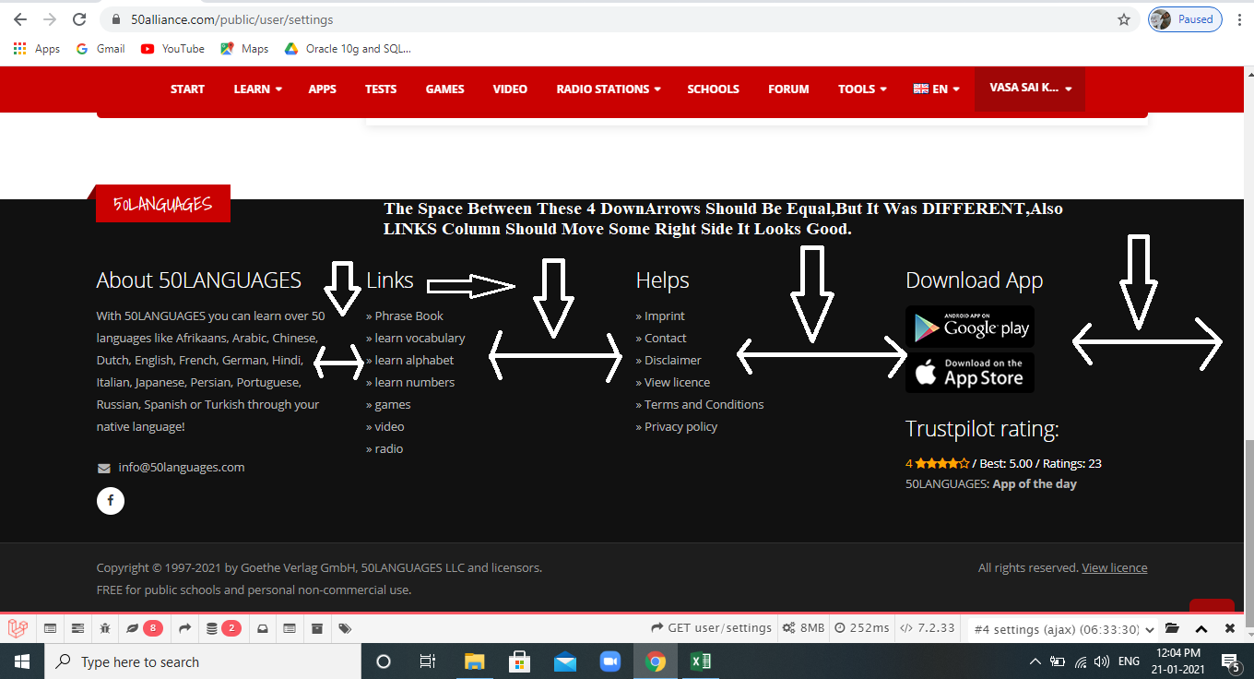 | MEDIUM | SAI KUMAR | 2021-01-21 | DASHBOARD
BUG_SIGNIN/SIGNUP_08 |  |  |  |  | https://50alliance.com/public/login |  |  | SAI KUMAR
BUG_SIGNIN/SIGNUP_09 |  |  |  |  | https://50alliance.com/public/login |  |  | SAI KUMAR
BUG_SIGNIN/SIGNUP_10 |  |  |  |  | https://50alliance.com/public/login |  |  | SAI KUMAR
BUG_SIGNIN/SIGNUP_11 |  |  |  |  | https://50alliance.com/public/login |  |  | SAI KUMAR
BUG_SIGNIN/SIGNUP_12 |  |  |  |  | https://50alliance.com/public/login |  |  | SAI KUMAR
BUG_SIGNIN/SIGNUP_13 |  |  |  |  | https://50alliance.com/public/login |  |  | SAI KUMAR
BUG_SIGNIN/SIGNUP_14 |  |  |  |  | https://50alliance.com/public/login |  |  | SAI KUMAR
BUG_SIGNIN/SIGNUP_15 |  |  |  |  | https://50alliance.com/public/login |  |  | SAI KUMAR
BUG_SIGNIN/SIGNUP_16 |  |  |  |  | https://50alliance.com/public/login |  |  | SAI KUMAR
BUG_SIGNIN/SIGNUP_17 |  |  |  |  | https://50alliance.com/public/login |  |  | SAI KUMAR
BUG_SIGNIN/SIGNUP_18 |  |  |  |  | https://50alliance.com/public/login |  |  | SAI KUMAR
BUG_SIGNIN/SIGNUP_19 |  |  |  |  | https://50alliance.com/public/login |  |  | SAI KUMAR
 |  |  |  |  | https://50alliance.com/public/login |  |  | SAI KUMAR
 |  |  |  |  | https://50alliance.com/public/login |  |  | SAI KUMAR
 |  |  |  |  | https://50alliance.com/public/login |  |  | SAI KUMAR
 |  |  |  |  | https://50alliance.com/public/login |  |  | SAI KUMAR
 |  |  |  |  | https://50alliance.com/public/login |  |  | SAI KUMAR
 |  |  |  |  | https://50alliance.com/public/login |  |  | SAI KUMAR
 |  |  |  |  | https://50alliance.com/public/login |  |  | SAI KUMAR
 |  |  |  |  | https://50alliance.com/public/login |  |  | SAI KUMAR
 |  |  |  |  | https://50alliance.com/public/login |  |  | SAI KUMAR

